Sheet1
Traceability Matrices |  |  |  |  | Customer Functional Requirements (CFR) | Hamza Malik
ID | Requirement | Depends On | Specified With | Parent Of | CFR1: Compliance enforcement functionality | Student #501112545
CFR1 | Compliance enforcement functionality | CFR2, CFR3 | Regulatory Authorities |  | CFR2: Certification validation system for AVs and drones
CFR2 | Certification validation system for AVs and drones |  | Regulatory Authorities | CFR1 | CFR3: Data protection measures
CFR3 | Data protection measures | CNFR1 | Regulatory Authorities | CFR1 | CFR4: Emergency override protocols
CFR4 | Emergency override protocols | EFR2 | Regulatory Authorities |  | CFR5: Infrastructure integration capability
CFR5 | Infrastructure integration capability | SFR1 | Urban Planners |  | System Functional Requirements (SFR)
SFR1 | Smart city compatibility |  | Urban Planners | CFR5, SNFR1 | SFR1: Smart city compatibility
SFR2 | Zoning and planning tools | CFR5 | Urban Planners |  | SFR2: Zoning and planning tools
SFR3 | Quick dispatch system | EFR1 | Emergency Services |  | SFR3: Quick dispatch system
SFR4 | Automated routing | EFR1, SNFR2 | Emergency Services |  | SFR4: Automated routing
EFR1 | Real-time information update system | SNFR2 | Emergency Services | SFR3, SFR4 | Employee Functional Requirements (EFR)
EFR2 | Centralized control system |  | Emergency Services | CFR4 | EFR1: Real-time information update system
EFR3 | High reliability | SNFR2 | Regulatory Authorities |  | EFR2: Centralized control system
EFR4 | Scalability |  | Regulatory Authorities |  | EFR3: High reliability
CNFR1 | User privacy protection |  | Regulatory Authorities | CFR3 | EFR4: Scalability
CNFR2 | Minimal impact on current traffic | SNFR2 | Urban Planners |  | Customer Non-Functional Requirements (CNFR)
CNFR3 | System flexibility |  | Urban Planners |  | CNFR1: User privacy protection
SNFR1 | High interoperability | SFR1 | Urban Planners |  | CNFR2: Minimal impact on current traffic
SNFR2 | System availability |  | Emergency Services | EFR1, EFR3, CNFR2 | CNFR3: System flexibility
SNFR3 | Usability |  | Emergency Services |  | Supplier Non-Functional Requirements (SNFR)
ENFR1 | Maintainability |  | Emergency Services |  | SNFR1: High interoperability
 |  |  |  |  | SNFR2: System availability
 |  |  |  |  | SNFR3: Usability
 |  |  |  |  | Employee Non-Functional Requirements (ENFR)
 |  |  |  |  | ENFR1: Maintainability

Updated Frequency of Number of Related Requirements
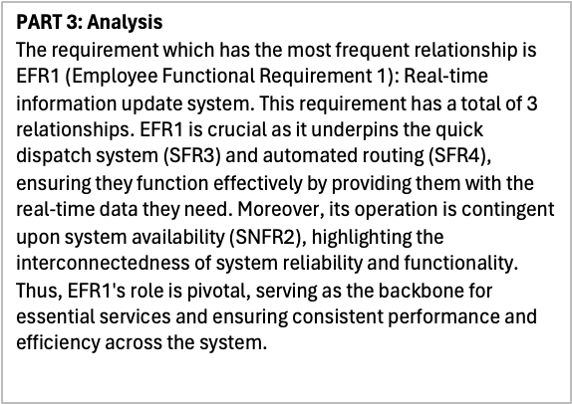
 | PART 2:
 | Relationship | Requirements
 | 0 | 0
 | 1 | 10
 | 2 | 5
 | 3 | 1

